Feuil1
Settings | Default value | Description
General Settings
Maximum nr of results in find/edit contact | 1000 | Indicates the default maximum number of results a Cca/supervisor can have into the find call at one time.
Maximum nr of results in find call | 1000 | Indicates the default maximum number of results a Cca/supervisor can have into the find/edit contact at one time.
New Object depth | 5 | 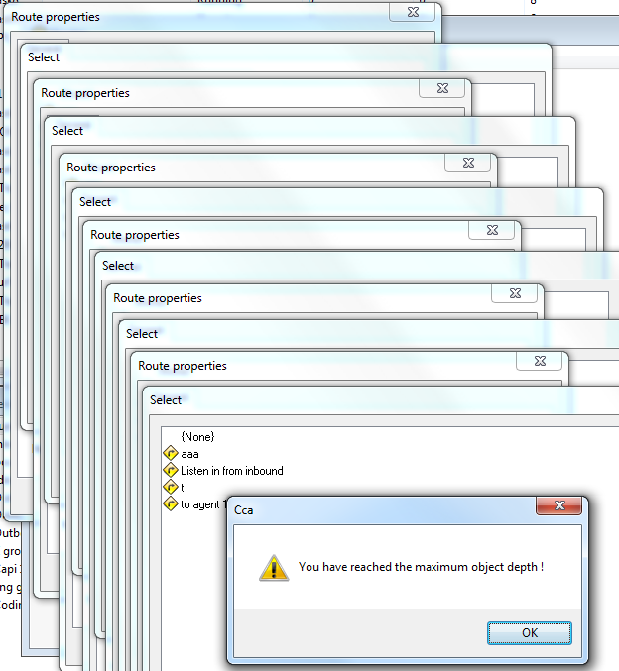 When creating a new object in the 'select object' dialog, you can create a new object again (for example: create list -> select task -> create new). In some cases you could do this indefinitely (like for new route -> set diversion route -> new route -> ...) This setting limits the amount of nested 'new's. Here's how it looks like:
Time between alarm checks | 2 | Indicates in seconds the time the Cca checks the alarm
Allow listen-in participation | Yes | Indicates if supervisors are allowed to take part to a listen-in participation
PDstat database path | user defined | Indicates the path to the SQL db where the specific predictive dialing stats are stored. Ex: Provider=sqloledb; Data Source=[SQL Server]; Initial Catalog=[SQL DB];Trusted_Connection=no;User Id=[SQL login];Password=[SQL password]
SLA refresh rate (ms) | 60000 | Indicates in ms the time of refresh of the Service Level Agreements (inbound duties)
Hold automatic dial duration (ms) | 3000 | If for example there are no more telephony lines available, all following calls will fail. To prevent the system from overloading, the automatic dialling is halted for a while. Note that since v5.3.2 this setting is task/project specific, because some reasons for halting are task specific (like can't reach agent)
Nr of days to keep socket log files | 10 | Indicates the number of days the Cca keep the different logs before deleting them
Minimum time between alarms when writing error to log file (min) | 5
Non-Critical lock time-out (ms) | 15000 | Time after which a request for an internal lock will fail (if some other thread holds the lock). For non-critical tasks this time can be smaller to prevent blocking the system for a long time, because it isn't a big problem if the request fails. An example for this is opening a quota dialog on CCA.
Critical lock time-out (ms) | 60000 | Time after which a request for an internal lock will fail (if some other thread holds the lock). For critical tasks this time is higher, because failure could cause serious problems. An example for this is loading a survey when saving an interview).
Unresponsive Time-out (ms) | 10000 | Indicates the time in seconds after the Cca is writing a log in cca logfile when the cca is unresponsive
Predictive dialling time-out (s) | 60 | Time after which a contact is released by CTArchitect if it isn't used by predictive dialling. If this value is low, the CCA load will be higher because CTArchitect will request more contacts (and abandon them) If the value is high, the likelyhood of calling a contact outside quotas is increases.
Prefix for linked servers | user defined | Indicates the prefix to use for the linked servers. Only use this in case of mutiple Cca sharing the same SQL server.
Send mails using quoted-printable encoding | yes | Indicates if the Cca send emails with the quoted-printable encoding
CCA ID | user defined | Indicates the ID of the Cca (Used by the CTArchitect)
Environement
Check CTWatch | No | Indicates if the Cca uses the CTWatch for restarting
Enable capi | Yes | Indicates if the Cca is able to do Capi interviews
Enable coding | Yes | Indicates if the Cca is able to do Coding
Enable inbound | Yes | Indicates if the Cca is able to do inboundinterviews
Enable outbound | Yes | Indicates if the Cca is able to do outbound interviews
Debugging
Debugging level | 1 | Indicates the level of details the debug file will contains (1 is the only level - more level to come in 5.3.3 version)
Flush interval (lines) | 10 | Indicates the numebr of lines the Cca is writing into the debug file at each time
Interval to create new file (minutes) | 1440 | Indicates in minute, the Cca will create a new debug file
Virtual File System
Root path | user defined | Indicates the default path for Cca where the Cca will look first for a survey or a list
Default list path | user defined | Indicates the default path for Cca where the Cca will look first for a survey or a list
Default task path | user defined | Indicates the default path for Cca where the Cca will look first for a survey or a list
CTArchitect
Connect to CTArchitect | No | Indicates if the Cca is using a CTArchitect
Remote host | user defined | Indicates the IP address of the CTArchitect server
Remote port number | 902 | Indicates the port used to communicates with the CTArchitect
Message delays (s) | 3 | CTArchitect reads some data directly from the CCA database. If CCA modifies some data in database, it sends a message to CTArchitect telling it to re-read the data from database, Because it's possible the data takes a while to save, you can configure the delay after which CCA sends these messages.
Lists
Database connection string | user defined | Indicates the path to the Lists SQL db. Ex: Provider=sqloledb; Data Source=[SQL Server]; Initial Catalog=Lists;Trusted_Connection=no;User Id=[SQL login];Password=[SQL password]
List thread time-out (ms) | 300000 | Indicates the time (in milliseconds) before the cca considers a list doesn't respond
LST file path | user defined | Indicates the default path where the sample lists initialised by supervisor in upload file mode will be stored
Restart List at startup | No | Indicates if the Cca will restart, at its next start, the running lists when it was shutting down
Schedule check delay (ms) | 30000 | To run schedules, CCA verifies every schedule repeatedly to check if it should stop/start its task. This delay determines how often these checks are done. If the delay is low, load on CCA increases because it has to run the checks more frequently. If the delay is high, it could take a while for a schedule to start (so in this case instead of 12:00:00 it could start at 12:00:29)
Update status delay (ms) | 30000 | Delay after which 'unimportant' status updates (like nr of contacts available) are sent to clients. Important updates (like start/stop list) are sent immediately.
Write appointment history to appointment message | Yes | Indicates if default appointment message history is writing into the appointment message window (on AskiaClient side)
Write Call history to appointment message | No | Indicates if the call history is writing into the appointment message window (on Askiaclient side)
Root path for list mailing log files | user defined | Indicates the path where the Cca will store the mailing log files for webpanel surveys
Tasks
Root working directory | user defined | Indicates the default path where the surveys initialised by supervisor in upload file mode will be stored
Store exported data compressed on disk | Yes | Indicates if the zip files generated during an "export interviews to qes file" are stored on the server
Compression level of backup files | 3 | Indicates the level of compression used by cca when generating zip files.
Resource cache size (nr of items) | 10 | To increase performance CCA keeps resources in memory, so CCA doesn't have to read the file from disk every time an agent requests it. To reduce memory usage the number of stored items is limited.
Update task timeout (s) | 120 | Indicates the time in seconds before cca considers an update task (from supervisor) is considered as timed out
Surveys
Enable storing data on SQL Server | Yes
Database connection string | user defined | Indicates the path to the Surveys SQL db. Ex: Provider=sqloledb; Data Source=[SQL Server]; Initial Catalog=Surveys;Trusted_Connection=no;User Id=[SQL login];Password=[SQL password]
Maximum nr of concurrent database connections | 5 | Survey database connections are pooled. This setting defines the maximum amount of connections. Note that we are phasing out this connection pooling, because ADO does its own connection pooling. So after a few versions we'll probably drop this setting.
Export quota data | Yes | Indicate if the Quota string information, stored by interview, must be exported or not
CTScript
Database connection string | user defined | Indicates the path to the CTScripts SQL db. Ex: Provider=sqloledb; Data Source=[SQL Server]; Initial Catalog=CTScripts;Trusted_Connection=no;User Id=[SQL login];Password=[SQL password]
Reports
CTScript database connection string | user defined | Indicates the path to a different SQL Server (in replication mode) Cca can use for reportsProvider=sqloledb; Data Source=[SQL Server]; Initial Catalog=[SQL db];Trusted_Connection=no;User Id=[SQL login];Password=[SQL password] Or DSN=Askia_Statistics;UID=XXX;PWD=XXX
Database connection string (for linked servers) | user defined
Lists database connection string | user defined
Main database connection string | user defined
PDStat database connection string | user defined
Statistics database connection string | user defined
Surveys database connection string | user defined
Statistics
Database connection string | user defined | Indicates the path to the Statistics SQL db. Ex: Provider=sqloledb; Data Source=[SQL Server]; Initial Catalog=Statistics;Trusted_Connection=no;User Id=[SQL login];Password=[SQL password] Or DSN=Askia_Statistics;UID=XXX;PWD=XXX
Interval between session saves (s) | 30 | Indicates, in seconds, the interval after Cca will update the statistics endtime for agent sessions
Create new session when changing outbound task | No | Indicates if the Cca must create a new session for a logged agent when the agent changes itself of outbound group or when a supervisor move him
Save agent session stats | Yes | Indicates if the Cca must save the statistics for the object involved (call, location, etc)
Save call stats | Yes
Save group membership stats | Yes
Save inbound stats | Yes
Save key-in stats | Yes
Save location stats | Yes
Save messages stats | Yes
Save number stats | Yes
Save outbound stats | Yes
Save pause stats | Yes
Save projects stats | Yes
Save route stats | Yes
Save supervisor session stats | Yes
Save transfer stats | Yes
Save web interview event stats | Yes
Save web interview session stats | Yes
Save web interview stats | Yes
API
Disconnect time (min) | 15 | Indicates, in minutes, the time after that Cca disconnect an API session
CATI
Queue update delay (ms) | 15000 | Delay after which updates for the queue are sent to agent (to display the amount of agent and the queue length in CATI).
Supervisor
Time between agent updates (s) | 2 | Indicates, in seconds, the time the Cca send to supervisor a refresh state for the object involved
Time between list updates (s) | 2
Time between survey updates (s) | 2
Nr of alarm/recordings to send in batch | 100 | Indicates the number of alarms or recording sent to supervisor
Web
Try to keep Askiaext running automatically | Yes | Indicates if the Cca must try to reconnect to askiaext after a disconnection
Interview time-out (s) | 60 | Indicates, in seconds, the time the Cca keep an information for a interrupted web interview into the Web connection window
Time between "quota to do" updates (s) | 60 | Indicates, in seconds, the time the Cca send information to webprod about the quota information update to webprod when "Send Quota to do information" is ticked on quota definition for web surveys
Socket (API/CATI/Supervisor / Reporting service)
Port number | user defined | Indicates the port used by Cca to communicates with the object involved (Cati, Capi, etc)
Data port number | user defined | Indicates the port used by cca and supervisor for the data transport
Require password | user defined | Indicates if a password is required by the object involved (Cati, capi, etc) to connect on Cca
Select agent from list | user defined | Indicates if Cati or supervisor can select their login into a list, or enter them directly
Encryption | user defined | Indicates if this socket use encryption
Compression | user defined | Indicates if this socket use compression
TSP
port | 957 | 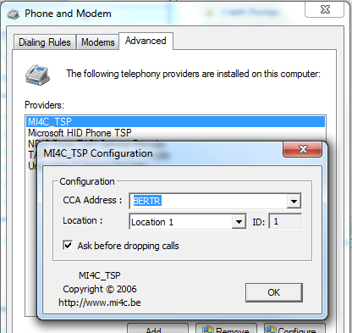 The port used for the TSP/speeddialler (also called CTDesk). The TSP is meant for integration of the CTArchitect dialler in MS Outlook (and others). The speeddialler allows quickly dialling a number by using a hotkey. -> This is not used by Askia clients, as far as I know
Auto-Updater (CATi / Supervisor / FaceForCE / Reporting service)
Update arguments | /SP- /silent /noicons | Indicates the arguments used during automatic updates
Update style | 2 | Defines if the update is done automatically (2), only after a warning which can't be refused (1), or if the update is optional (0). Note that from v5.3.3 onwards you'll get a combo-box to select this setting (so you don't have to set a number)
Path to update files (5.3.1 and below) | user defined | Indicates the path where the update files are stored on Cca server. With 5.3.2 version, there is no longer update files. Cca will use the the setup files directly
Setups
AskiaFace | user defined | Indicates the path where the setup files are stored on Cca server
Cati | user defined
FaceForCE | user defined
Reporting Service | user defined
Supervisor | user defined
Webprod | user defined
Packages | user defined
Click & Go
Supervisor | user defined | Indicates the path where the supervisor Click & Go is stored on Cca server

