Feuil1
Settings | Default value | Description
General Settings
Maximum nr of results in find calls (days) | 100 | Indicates the default maximum number of days a Cca/supervisor can have into the find call at one time.
Maximum nr of results in find/edit contact | 1000 | Indicates the default maximum number of results a Cca/supervisor can have into the find call at one time.
Maximum nr of results in find call | 1000 | Indicates the default maximum number of results a Cca/supervisor can have into the find/edit contact at one time.
New Object depth | 5 | 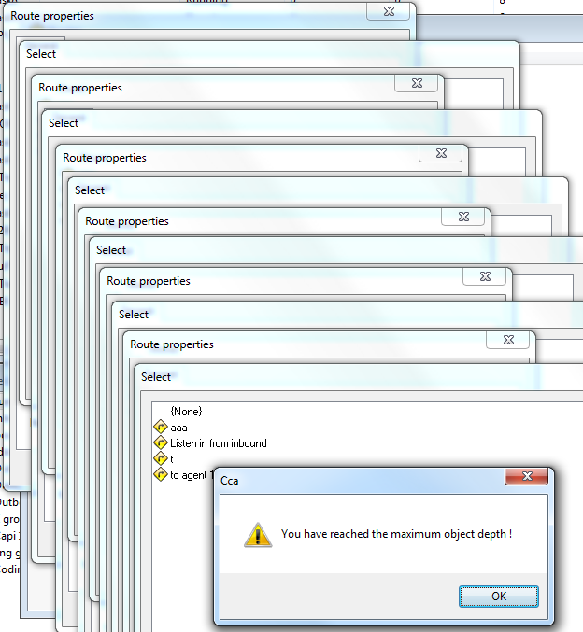 When creating a new object in the 'select object' dialog, you can create a new object again (for example: create list -> select task -> create new). In some cases you could do this indefinitely (like for new route -> set diversion route -> new route -> ...) This setting limits the amount of nested 'new's. Here's how it looks like:
Time between alarm checks | 2 | Indicates in seconds the time the Cca checks the alarm
Allow listen-in participation | Yes | Indicates if supervisors are allowed to take part to a listen-in participation
SLA refresh rate (ms) | 60000 | Indicates in ms the time of refresh of the Service Level Agreements (inbound duties)
Hold automatic dial duration (ms) | 3000 | If for example there are no more telephony lines available, all following calls will fail. To prevent the system from overloading, the automatic dialling is halted for a while. Note that since v5.3.2 this setting is task/project specific, because some reasons for halting are task specific (like can't reach agent)
Nr of days to keep socket log files | 10 | Indicates the number of days the Cca keeps the different logs before deleting them
Agent Stereo Recording Path | user defined | Indicates the path to store the Stereo Recordings set on agent level
Nr of days to keep recording | 0 | Indicates the number of days the cca keeps the recordings before deleting them
Minimum time between alarms when writing error to log file (min) | 5
Non-Critical lock time-out (ms) | 15000 | Time after which a request for an internal lock will fail (if some other thread holds the lock). For non-critical tasks this time can be smaller to prevent blocking the system for a long time, because it isn't a big problem if the request fails. An example for this is opening a quota dialog on CCA.
Critical lock time-out (ms) | 60000 | Time after which a request for an internal lock will fail (if some other thread holds the lock). For critical tasks this time is higher, because failure could cause serious problems. An example for this is loading a survey when saving an interview).
Unresponsive Time-out (ms) | 10000 | Indicates the time in seconds after the Cca is writing a log in cca logfile when the cca is unresponsive
Predictive dialling time-out (s) | 60 | Time after which a contact is released by CTArchitect if it isn't used by predictive dialling. If this value is low, the CCA load will be higher because CTArchitect will request more contacts (and abandon them) If the value is high, the likelyhood of calling a contact outside quotas is increases.
Global mailing connection idle time-out (s) | 300 | Time, in seconds, after which a smtp connection will be reset
Prefix for linked servers | user defined | Indicates the prefix to use for the linked servers. Only use this in case of mutiple Cca sharing the same SQL server.
Send mails using quoted-printable encoding | yes | Indicates if the Cca send emails with the quoted-printable encoding
Use 8-bit colours for see-in | no | If set on yes, that can improve the fluidity of the see-in, especially on slow networks
CCA ID | user defined | Indicates the ID of the Cca (Used by the CTArchitect)
Master Encryption Key Location | user defined | Indicates the path of the master key used for encryption of survey data. By default, this key is set in "C:\program Files\AskiaField\Cca\" (and is part of the backup process happening at each cca update)
Working Directory | user defined | Indicates the global working directory used by the Cca

Environment
Check CTWatch | No | Indicates if the Cca uses the CTWatch for restarting
Enable capi | Yes | Indicates if the Cca is able to do Capi interviews
Enable coding | Yes | Indicates if the Cca is able to do Coding
Enable inbound | Yes | Indicates if the Cca is able to do inboundinterviews
Enable outbound | Yes | Indicates if the Cca is able to do outbound interviews
Enable web | Yes | Indicates if the Cca is able to do web interviews

Debugging
Debugging level | 2 | Indicates the level of details the debug file will contains (from 1 to 5)
Flush interval (lines) | 10 | Indicates the numebr of lines the Cca is writing into the debug file at each time
Interval to create new file (minutes) | 1440 | Indicates in minute, the Cca will create a new debug file
Nr of days to keep debug log files | 10 | Indicates the number of days the Cca keeps the debug cca logs before deleting them

Monitoring API
Port | 9999 | Indicates the port used for the monitoring
Only accessible from localhost | yes | Indicates if the monitoring can be performed from localhost only

Virtual File System
Root path | user defined | Indicates the default path for Cca where the Cca will look first for a survey or a list
Default list path | user defined | Indicates the default path for Cca where the Cca will look first for a survey or a list
Default task path | user defined | Indicates the default path for Cca where the Cca will look first for a survey or a list

CTArchitect
Connect to CTArchitect | No | Indicates if the Cca is using a CTArchitect
Remote host | user defined | Indicates the IP address of the CTArchitect server
Remote port number | 902 | Indicates the port used to communicates with the CTArchitect
Message delays (s) | 3 | CTArchitect reads some data directly from the CCA database. If CCA modifies some data in database, it sends a message to CTArchitect telling it to re-read the data from database, Because it's possible the data takes a while to save, you can configure the delay after which CCA sends these messages.
Agent should confirm number (preview dialling) | No | If set on yes, a pop up will appear each time after an agent have selected a number into the preview dialling dialog
File Socket
Recording exchange start time (HH:MM) | 1:00:00 | Indicates the start time when CTArchitect is allowed to send recordings to the "call recording path"
Recording exchange end time (HH:MM) | 0:59:00 | Indicates the end time when CTArchitect is allowed to send recordings to the "call recording path"
Call Recording path | user defined | Indicates the path where all recording sent from ctarchitect will be stored

Lists
DSN (Delivery status notification) results treated as a hard bounce | user defined | Indicates bounced return codes treated as hard bounced mails. This list can be customised by the users. The default one is: 5.1;5.2.1;5.3.3;5.3.4;5.5;5.6;5.7
Get contact time-out (ms) | 60000 | Indicates the time (in milliseconds) before the cca considers that getting a contact from a list has failed.
Ignore bounced mails with invalid DSN (delivery status notification) | no | Indicates if the cca should ignore the bounced mails with an invalid DSN
List thread time-out (ms) | 300000 | Indicates the time (in milliseconds) before the cca considers a list doesn't respond
LST file path | user defined | Indicates the default path where the sample lists initialised by supervisor in upload file mode will be stored
Restart List at startup | No | Indicates if the Cca will restart, at its next start, the running lists when it was shutting down
Update status delay (ms) | 30000 | Delay after which 'unimportant' status updates (like nr of contacts available) are sent to clients. Important updates (like start/stop list) are sent immediately.
Use external process for LST file management | No | Indicates if the cca should uses external process to handle interactions with lst files
Write appointment history to appointment message | Yes | Indicates if default appointment message history is writing into the appointment message window (on AskiaClient side)
Write Call history to appointment message | No | Indicates if the call history is writing into the appointment message window (on Askiaclient side)
Time-outs
External connection time-out (s) | 15 | Time after which a request for an external database will fail
Large query time-out (s) | 900 | Time after which a request for a large query will fail
Query time-out (s) | 30 | Time after which a request for a query will fail
Root path for list mailing log files | user defined | Indicates the path where the Cca will store the mailing log files for webpanel surveys

Tasks
Root working directory | user defined | Indicates the default path where the surveys initialised by supervisor in upload file mode will be stored
Store exported data compressed on disk | Yes | Indicates if the zip files generated during an "export interviews to qes file" are stored on the server
Compression level of backup files | 3 | Indicates the level of compression used by cca when generating zip files.
Resource cache size (nr of items) | 10 | To increase performance CCA keeps resources in memory, so CCA doesn't have to read the file from disk every time an agent requests it. To reduce memory usage the number of stored items is limited.
Update task timeout (s) | 120 | Indicates the time in seconds before cca considers an update task (from supervisor) is considered as timed out
Surveys
Automatically import dat files in the survey directory when loading/reloading the survey | No | Indicates if interviews files stored on the survey directory can be imported when doing a reload or during a cca start.
Connection time-out for access connections (sec) | 30 | Time after which a connection, using Access drivers, to a qes file will fail
Export quota data | Yes | Indicate if the Quota string information, stored by interview, must be exported or not
Quota lock timeout (s) | 300 | Time after which a modification made on quota but not saved will generate a warning on supervisor side
Quota lock request timeout (s) | 30 | Time after which a request to lock the quota will fail
Survey thread timeout (ms) | 300000 | Time after which a request to get the survey thread (SQL) will fail
Maintain qes file in working directory | no | Indicates, if a qes file should be generated and maintained on the working directory (optional since 5.4.4)

Statistics
Command timeout (s) | 30 | Time after which a command sent to statistics db will fail
Connection timeout (s) | 60 | Time after which a connection to statistics db will fail
Interval between session saves (s) | 30 | Indicates, in seconds, the interval after Cca will update the statistics endtime for agent sessions
Create new session when changing outbound task | No | Indicates if the Cca must create a new session for a logged agent when the agent changes itself of outbound group or when a supervisor move him
Save agent session stats | Yes | Indicates if the Cca must save the statistics for the object involved (call, location, etc)
Save call stats | Yes
Save group membership stats | Yes
Save inbound stats | Yes
Save key-in stats | Yes
Save location stats | Yes
Save messages stats | Yes
Save number stats | Yes
Save outbound stats | Yes
Save pause stats | Yes
Save projects stats | Yes
Save route stats | Yes
Save supervisor session stats | Yes
Save transfer stats | Yes
Save web interview event stats | Yes
Save web interview session stats | Yes
Save web interview stats | Yes
Save predictive stats | Yes
Import duplicate statistics | no | Indicates if duplicate statistics can be written into statistics databases

API
Port number | 980 | Indicates the port used by Cca to communicates with the object involved (Cati, Capi, etc)
Require password | yes | Indicates if a password is required by the object involved (Cati, capi, etc) to connect on Cca
Encryption | no | Indicates if this socket use encryption
Compression | no | Indicates if this socket use compression
Session timeout (min) | 15 | Indicates, in minutes, the time after that Cca disconnect an API session - Note that for the second API port (1980), used by the Design Survey Service (askiaface tablets), a timeout of 1 minute is required

CAPI
Port number | 940 / 1940 | Indicates the port used by Cca to communicates with the object involved (Cati, Capi, etc)
Require password | yes | Indicates if a password is required by the object involved (Cati, capi, etc) to connect on Cca
Encryption | no | Indicates if this socket use encryption
Compression | no | Indicates if this socket use compression

CATI
Queue update delay (ms) | 15000 | Delay after which updates for the queue are sent to agent (to display the amount of agent and the queue length in CATI).
Queue update deactive groups | No
Heartbeat interval (s) | 0 | Interval of the heartbeat (used to display the interview progression on agents window on supervisor side)
Softphone trace path | user defined | Indicates the path where softphone traces are stored, on cca server side.
Softphone trace enable mode | Defined per agent | Indicates the collection mode for the softphone traces: defined per agent, Globally on, Globally off
Socket
Port number | 901/1901 | Indicates the port used by Cca to communicates with the object involved (Cati, Capi, etc)
Data port number | 923/1923 | Indicates the port used by cca and supervisor for the data transport
Require password | yes | Indicates if a password is required by the object involved (Cati, capi, etc) to connect on Cca
Select agent from list | yes | Indicates if Cati or supervisor can select their login into a list, or enter them directly
Encryption | yes | Indicates if this socket use encryption
Compression | no | Indicates if this socket use compression

Reporting Service
Encryption | no | Indicates if this socket use encryption
Compression | no | Indicates if this socket use compression
Port number | 970 | Indicates the port used by Cca to communicates with the object involved (Cati, Capi, etc)

Supervisor
Time between agent updates (s) | 2 | Indicates, in seconds, the time the Cca send to supervisor a refresh state for the object involved
Time between list updates (s) | 2
Time between survey updates (s) | 2
Nr of alarm/recordings to send in batch | 100 | Indicates the number of alarms or recording sent to supervisor
Socket
Port number | 903 / 1903 | Indicates the port used by Cca to communicates with the object involved (Cati, Capi, etc)
Data port number | 922 / 1922 | Indicates the port used by cca and supervisor for the data transport
Require password | yes | Indicates if a password is required by the object involved (Cati, capi, etc) to connect on Cca
Select agent from list | yes | Indicates if Cati or supervisor can select their login into a list, or enter them directly
Encryption | yes | Indicates if this socket use encryption
Compression | no | Indicates if this socket use compression
CcaAPI URL | user defined | URL path to the ccaAPI (http://X.X.X.X/CcaAPI/CcaAPI.Service.svc or tcp://X.X.X.X/CcaAPI/CcaAPI.Service.svc). Mandatory to see the authentication tokens dialog

Web
Try to keep Askiaext running automatically | Yes | Indicates if the Cca must try to reconnect to askiaext after a disconnection
Interview time-out (s) | 60 | Indicates, in seconds, the time the Cca keep an information for a interrupted web interview into the Web connection window
Time between "quota to do" updates (s) | 60 | Indicates, in seconds, the time the Cca send information to webprod about the quota information update to webprod when "Send Quota to do information" is ticked on quota definition for web surveys
Port number | 910 / 1910 | Indicates the port used by Cca to communicates with the object involved (Cati, Capi, etc)
Encryption | no | Indicates if this socket use encryption
Compression | no | Indicates if this socket use compression

TSP
port | 957 | 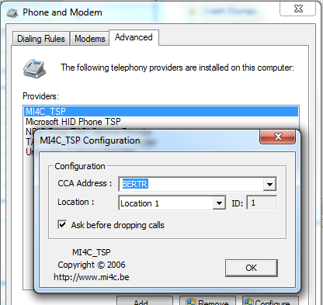 The port used for the TSP/speeddialler (also called CTDesk). The TSP is meant for integration of the CTArchitect dialler in MS Outlook (and others). The speeddialler allows quickly dialling a number by using a hotkey. -> This is not used by Askia clients

Agent Monitoring Service
Encryption | no | Indicates if this socket use encryption
Compression | no | Indicates if this socket use compression
Port number | 990 | Indicates the port used by Cca to communicates with the object involved (Cati, Capi, etc)

Export Service
Encryption | no | Indicates if this socket use encryption
Compression | no | Indicates if this socket use compression
Port number | 960 | Indicates the port used by Cca to communicates with the object involved (Cati, Capi, etc)

Recording Management Service
Encryption | no | Indicates if this socket use encryption
Compression | no | Indicates if this socket use compression
Port number | 965 / 1965 | Indicates the port used by Cca to communicates with the object involved (Cati, Capi, etc)
Starting hour (UTC) for automatic Deletion of recordings (0-23) | 1

Speech Service
Encryption | no | Indicates if this socket use encryption
Compression | no | Indicates if this socket use compression
Port number | 975 | Indicates the port used by Cca to communicates with the object involved (Cati, Capi, etc)

Cca Auto-Update
Source URL (root) | askia defined | Indicates the server URL where the Cca setup can be downloaded. Default is http://installers.askia.com/CCAMirror/Tracks/Askia/
Hour to check for updates (0-23) | 1 | Hour when the Cca will check if there is new update setups
Update mode | Download | Indicates which action can be done when a new update setup is found: Download, Download & Install, Disabled
Update arguments | /SP- /silent /noicons | Indicates the arguments used during automatic updates

Auto-Updater (CATI / Supervisor / Agent Monitoring Service / Webprod / AskiaFace / Export Service / Face ForCE / Recording Management Service / Reporting service)
Update arguments | /SP- /silent /noicons | Indicates the arguments used during automatic updates
Update style | 2 | Defines if the update is done automatically (2), only after a warning which can't be refused (1), or if the update is optional (0). Note that from v5.3.3 onwards you'll get a combo-box to select this setting (so you don't have to set a number)

Setups
Agent Monitoring service | user defined | Indicates the path where the setup files are stored on Cca server
AskiaFace | user defined
Cati | user defined
Cca | user defined
Export service | user defined
Recording Management Service | user defined
Reporting Service | user defined
Speech service | user defined
Supervisor | user defined
Webprod | user defined
Packages | user defined

Click & Go
Cati | user defined | Indicates the path where the supervisor Click & Go is stored on Cca server
Supervisor | user defined | Indicates the path where the supervisor Click & Go is stored on Cca server

